Wired Only Version
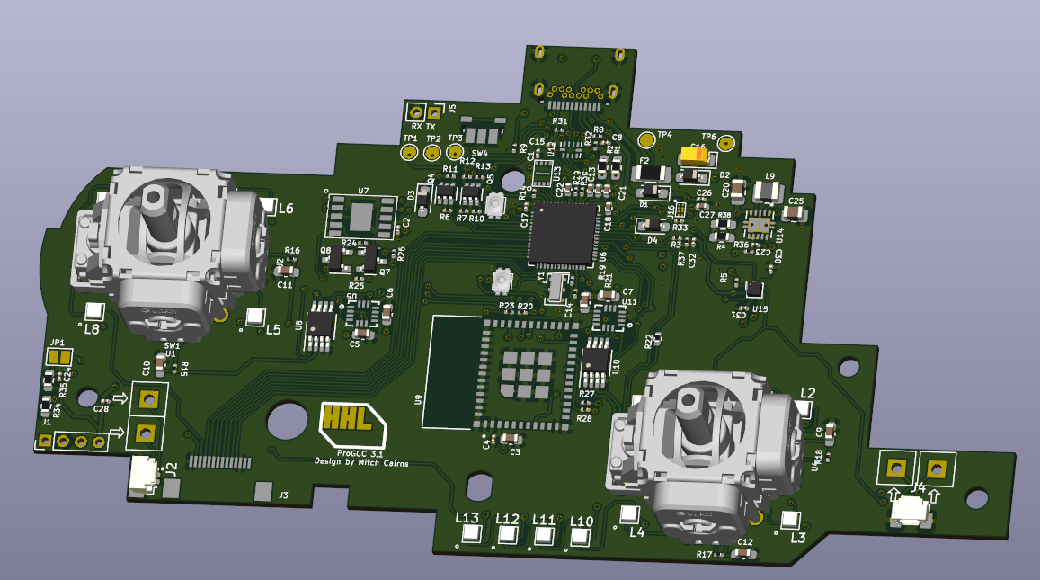
Item Name | Qty | Notes | Image
Main Board (Wired Configuration) | 1 | See ProGCC 3.1 PCB Notes

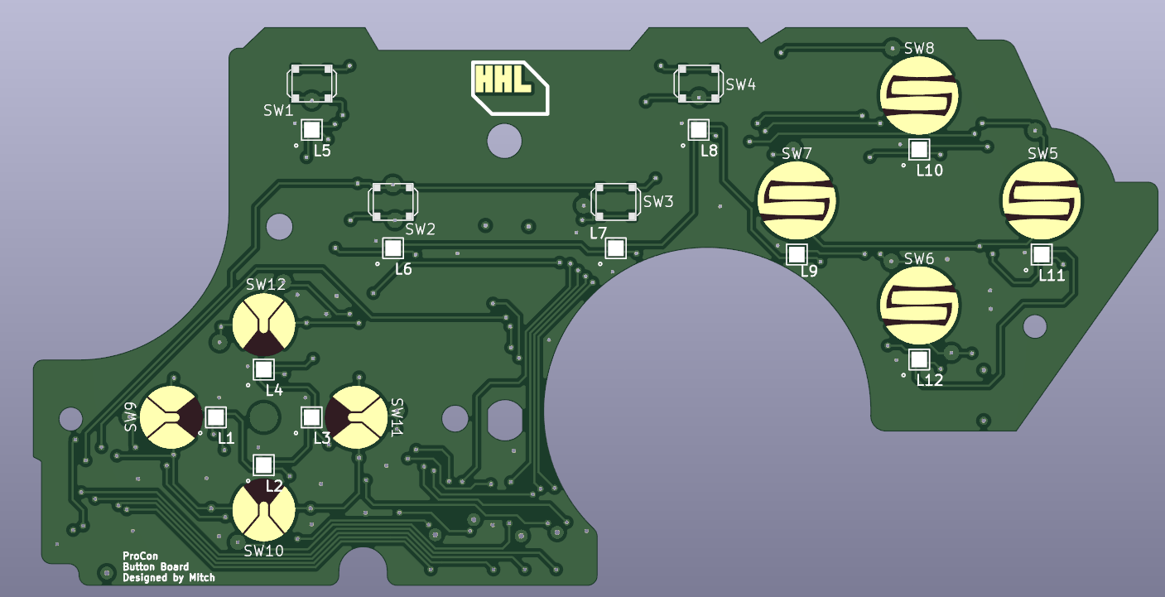
Button Board (Revised Version | 1 | See ProCon Buttons PCB Notes

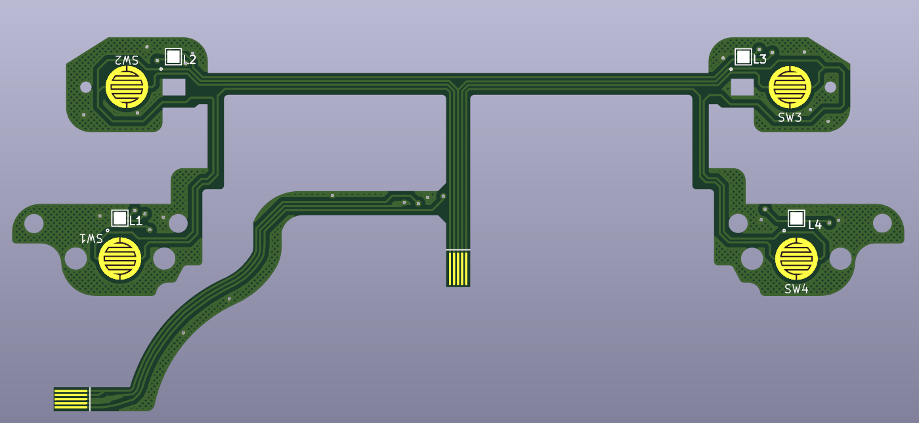
Flexible Trigger PCB | 1 | See ProCon Trigger FLEX PCB Notes

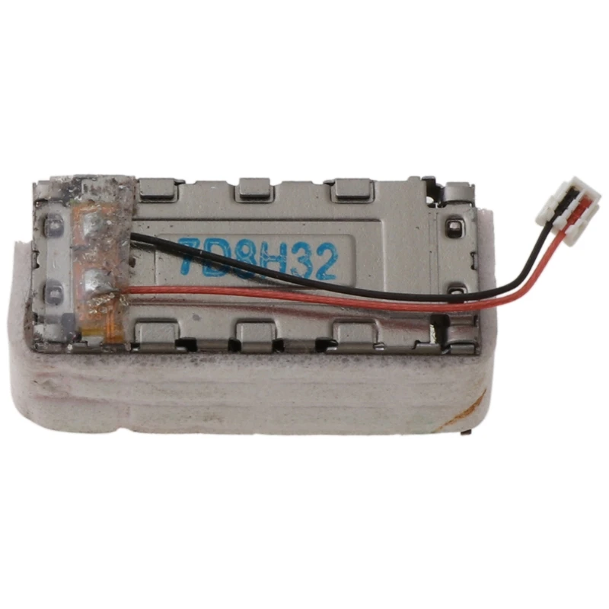
Hapic LRA Motor | 2 | Matches replacement part for Nintendo Joy-Con Controller. Connector is needed and matches the connector on the PCB.

6cm 0.5mm pitch reverse FPC ribbon cable | 2 | Reverse-sided ribbon cable

Bluetooth Version
Item Name | Qty | Notes | Image
Main Board (Wired Configuration) | 1 | See ProGCC 3.1 PCB Notes

Button Board (Revised Version | 1 | See ProCon Buttons PCB Notes

Flexible Trigger PCB | 1 | See ProCon Trigger FLEX PCB Notes

Hapic LRA Motor | 2 | Matches replacement part for Nintendo Joy-Con Controller. Connector is needed and matches the connector on the PCB.

6cm 0.5mm pitch reverse FPC ribbon cable | 2 | Reverse-sided ribbon cable

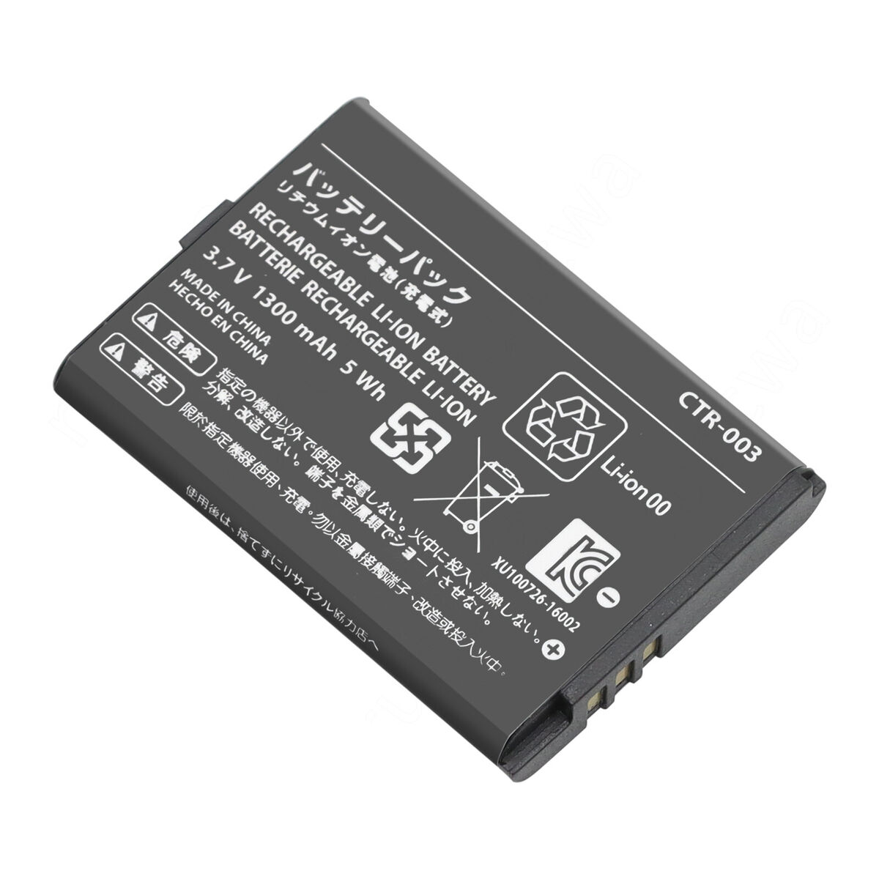
LiPo Battery CTR-003 | 1 | Matches replacement part for Nintendo Pro Controller

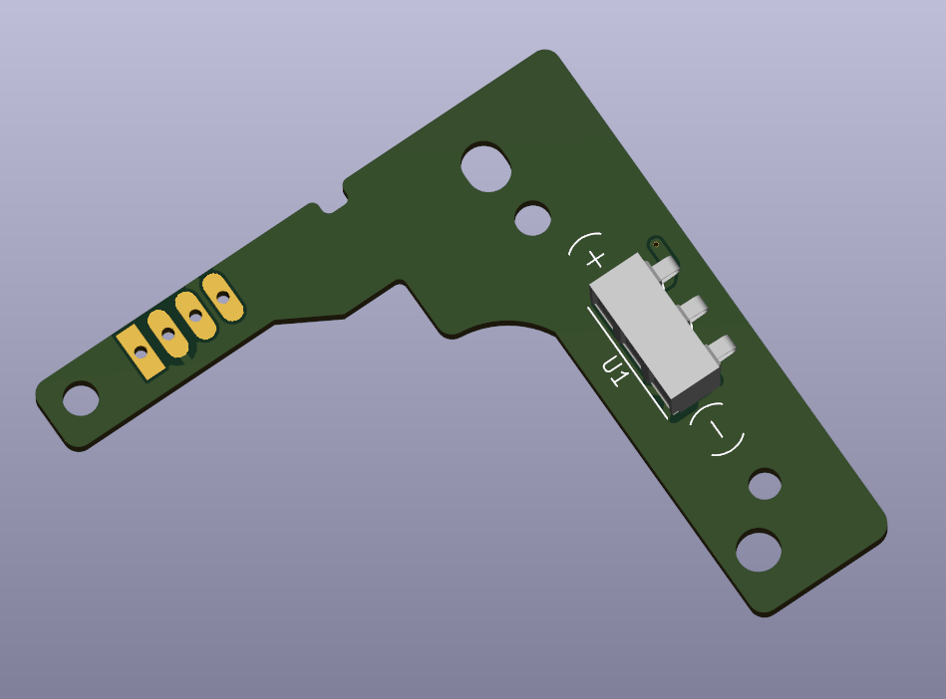
Battery PCB | 1 | See Battery PCB Notes

